Economist Graphic - The Good Ch
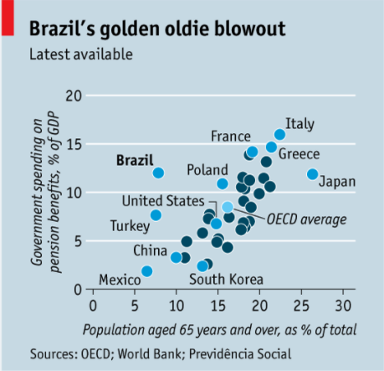
 |  | Your name | Ricardo Zhou

 |  | For this graphic, what do you see first? | 1- Two kinds of color, but we don't know the difference. 2- So many countries in the picture, including developed and developing countries. 3- Compared to other countries, Blazil has a low population% of 65+ people, but spends so much on pension benefits.

 |  | Make a note of the first idea that forms in your mind and then search for more. | 1- Brazil spends a lot of money on pension benefit compared to other countries. 2- Brazil only has a small amount of elder population. 3- It is wild that Brazil spends unproportionate expense on pension

 | Article: https://www.economist.com/the-americas/2017/02/25/reducing-brazils-pension-burden

 | What I like | What I dislike | What I wish I saw
 | 1- Have plenty of data to support the idea 2- Give comparison in this picture for Brazil | 1- We don't know the difference between the two type of colors, especially the darker one is unlabeled. 2- Too much labels in the picture and some of them are irrelavant. 3- The point of Brazil is not very easy to find since it has the same color of others. | 1- Clear usage of colors. 2- Less labels 3- Highlight the point of Brazil

 | What are three things you'd change, and why?
 | I would change... | because....
 | add a fitted line | The fitted line can show the average relationship between aged population and pension expense of all these countries. It will illustrate the deviation of Brazil.
 | Reduce the label of incomparable countries to Brazil such as Poland | Too much labels in the picture now, which seems to be mussy
 | Make the point of Brazil into Red | It can highlight the main point of the picture and make us easier to find Brazil.
 | Turn the dark blue point into light blue or light grey | These points are not highlighted in the picture, so we should reduce their influence.

References: | Berinato, S. (2016). Good charts: The HBR guide to making smarter, more persuasive data visualizations.

The Good Charts Matrix
Name of visualization | Column1 | Design execution (-10 is poor, 10 is excellent) | Contextual awareness (-10 is low, 10 is high)
Economist |  | 5 | 5
Why this score? |  | The picture is | The picture did not tell us why they give us this information and how to use it. The problem may be due to the title. What does "blowout" mean here? Is that a good thing or bad thing? These questions should be explain.

Contextual awareness = what am I trying to say, to whom, and where?
Design execution = How well is this chart constructed?

The Good Charts Matrix

Reference: Berinato, S. (2016). Good charts: The HBR guide to making smarter, more persuasive data visualizations.

